Software Defect Report Template
SOFTWARE DEFECT REPORT TEMPLATE |  |  |  | http://bit.ly/2UqesFD
DEFECT ID | TITLE | DESCRIPTION / SUMMARY | ENVIRONMENT | STEPS TO REPRODUCE | SCREENSHOT | DEFECT SEVERITY | DEFECT PRIORITY | REPORTED BY | ASSIGNED TO | STATUS | RESOLUTION | DATE REPORTED | DATE OF FIX | SEVERITY | DEFECT PRIORITY | STATUS
1 | Typo in a menu item | Typo in word "Edit" in menu item at the top left corner | Windows 10 Pro | Look at the top left corner |  |  |  | Rostyslav Hordeiev |  |  |  | 2021-09-19 |  | Showstopper | Critical | Open
2 | Number limit of entered digit exceeded in digit or mixed mode | According to specification you can write in the text box of digit or mixed mode numbers in range 0 - 9999, but user has the possibility to enter greater number | Windows 10 Pro | 1. Select "Numeric" or both "Numeric" and "Alphabetic" check box 2. Write down number greater than 9999 into text box | 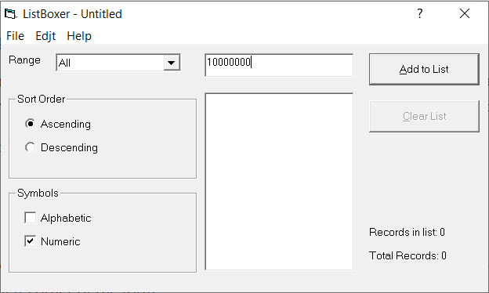 |  |  | Rostyslav Hordeiev |  |  |  | 2021-09-19 |  | Major | High | Resolved
3 | Incorrect range of numbers in filter | According to specification the last range of numbers is beginning from 301 not 300 | Windows 10 Pro | 1. Select "Numeric" or both "Numeric" and "Alphabetic" check box 2. Click on range dropdown | 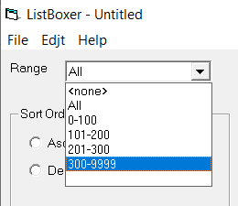 |  |  | Rostyslav Hordeiev |  |  |  | 2021-09-19 |  | Minor | Medium | Closed
4 | Ability to add empty values | In all mods you can enter empty string and add it to the list, but you can't enter values like this | Windows 10 Pro | 1. Focus on text box 2. Click "Add to List" or Enter | 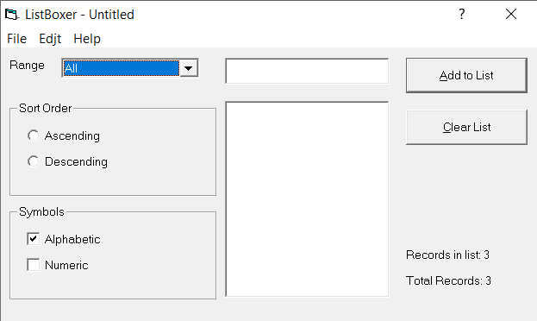 |  |  | Rostyslav Hordeiev |  |  |  | 2021-09-19 |  | Low | Low
5 | Clear list button is unavailable | When you added 1 value to the list, you can't clear the list. The button is available when list consists of at least 2 elements | Windows 10 Pro | 1. Add one value to the list 2. See the inability to clear the list | 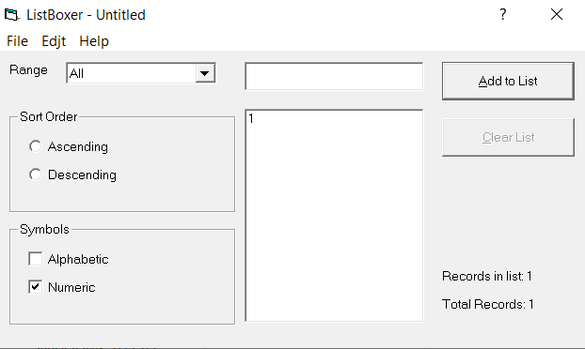 |  |  | Rostyslav Hordeiev |  |  |  | 2021-09-19
6 | Incorrect descending order in alphabetic mode | When you trying to sort by descending order in alphabetical mode, the list's values order is shown incorrectly | Windows 10 Pro | 1. Pick alphabetic mode 2. Pick descending sort order 3. Enter values 4. Observe the incorrect result | 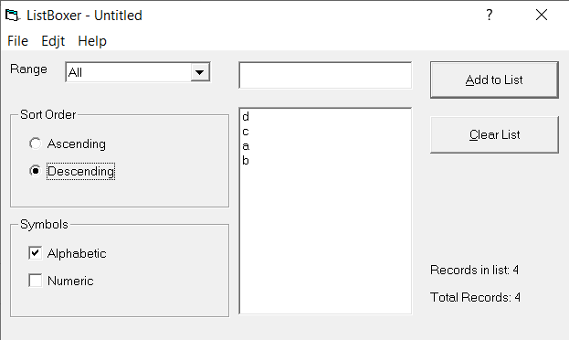 |  |  | Rostyslav Hordeiev |  |  |  | 2021-09-19
7 | Incorrect descending order in digit mode | When you trying to sort by descending order in digit mode, the list's values order is shown incorrectly | Windows 10 Pro | 1. Pick digit mode 2. Pick descending sort order 3. Enter values 4. Observe the incorrect result |  |  |  | Rostyslav Hordeiev |  |  |  | 2021-09-19
8 | Saved list opens incorrectly | The previously saved list, when trying it to open, shows incorrect list values | Windows 10 Pro | 1. Enter values 2. Save the list 3. Open the list 4. Observe the incorrect list values |  |  |  | Rostyslav Hordeiev |  |  |  | 2021-09-19
9 | Undo works only one time | When trying undo the step, it only undos one step and not more | Windows 10 Pro | 1. Add couple of items to list 2. Click the undo button |  |  |  | Rostyslav Hordeiev |  |  |  | 2021-09-19
10 | Incorrect version | In "About LisBoxer" window version of the app is shown icorrectly | Windows 10 Pro | 1. Click "Help" 2. Click "About LisBoxer" | 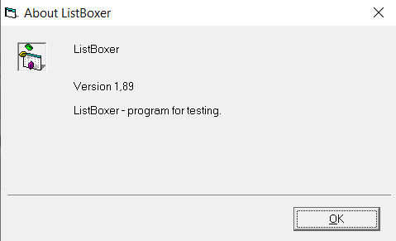 |  |  | Rostyslav Hordeiev |  |  |  | 2021-09-19
11 | Inavailable "Cut" button | "Cut" button is inavailable in every case | Windows 10 Pro | 1. Click "Edit" 2. Observe the "Cut" button inavailability |  |  |  | Rostyslav Hordeiev |  |  |  | 2021-09-19
12 | Inavailable "Copy" button | "Copy" button is inavailable in every case | Windows 10 Pro | 1. Click "Edit" 2. Observe the "Copy" button inavailability |  |  |  | Rostyslav Hordeiev |  |  |  | 2021-09-19
13 | Inavailable "Paste" button | "Paste" button is inavailable in every case | Windows 10 Pro | 1. Click "Edit" 2. Observe the "Paste" button inavailability |  |  |  | Rostyslav Hordeiev |  |  |  | 2021-09-19
14 | Incorrect descending order in mixed mode | When you trying to sort by descending order in mixed mode, the list's values order is shown incorrectly | Windows 10 Pro | 1. Pick mixed mode 2. Pick descending sort order 3. Enter values 4. Observe the incorrect result | 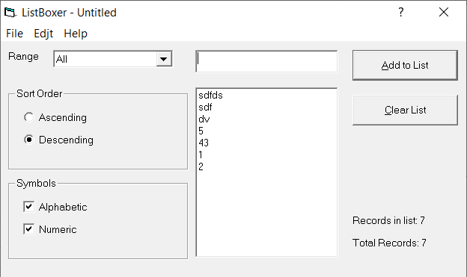 |  |  | Rostyslav Hordeiev |  |  |  | 2021-09-19
15 | Ability to add 10000 number | According to the specification max number is 9999, but you can enter 10000 | Windows 10 Pro | 1. Pick digit mode 2. Write 10000 3. Add to the list 4. Observe the incorrect result | 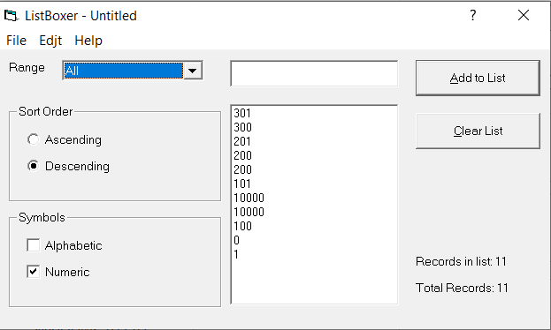 |  |  | Rostyslav Hordeiev |  |  |  | 2021-09-19
16 | Incorrect 300-9999 filter | The filter max is 9999, but we can obesrve 10000 in list | Windows 10 Pro | 1. Pick digit mode 2. Write 10000 3. Add to the list 4. Pick "300-9999" filter 5. Observe the incorrect result | 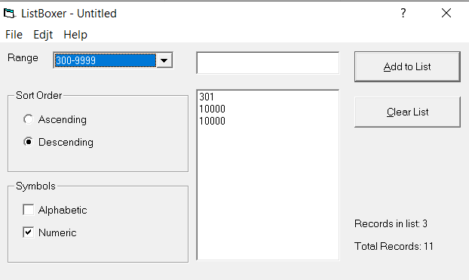 |  |  | Rostyslav Hordeiev |  |  |  | 2021-09-19
17 | Incorrect ascending order in digit mode | The ascending order which contains 10000 is shown incorrectly | Windows 10 Pro | 1. Pick digit mode 2. Write 10000 3. Add to the list 4. Pick "Ascending" sort order 5. Observe the incorrect result | 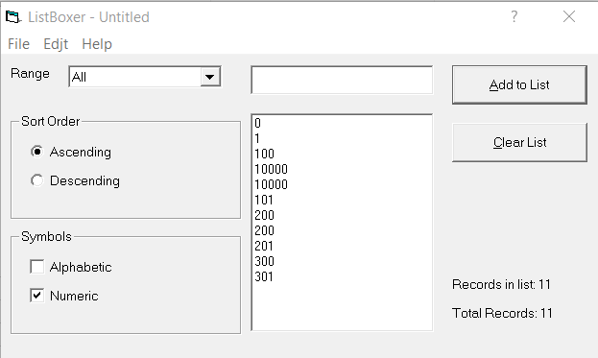 |  |  | Rostyslav Hordeiev |  |  |  | 2021-09-19
18 | $' symbol availability | You can enter '$' symbol while it shouldn't be available | Windows 10 Pro | 1. Write '$' symbol 2. Observe the incorrect result | 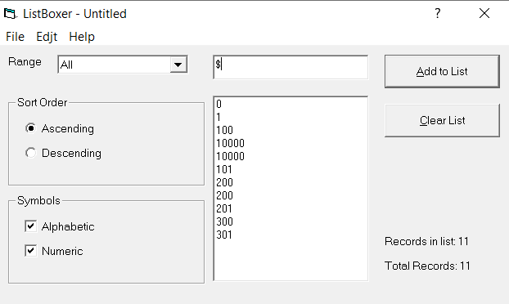 |  |  | Rostyslav Hordeiev |  |  |  | 2021-09-19
19 | "Cancel" button woking incorrectly | Program closes when trying to click "Cancel" button on exit window | Windows 10 Pro | 1. Click "File" button 2. Click "Exit" button 3. Click "Cancel" button |  |  |  | Rostyslav Hordeiev |  |  |  | 2021-09-19
20 | "X" button woking incorrectly | Program closes when trying to click "X" button on top right corner of the exit window | Windows 10 Pro | 1. Click "File" button 2. Click "Exit" button 3. Click "X" button |  |  |  | Rostyslav Hordeiev |  |  |  | 2021-09-19
21 | Incorrect file name where list was saved | When you trying to save list, the value that you entered for the name is shown incorrectly | Windows 10 Pro | 1. Click "File" button 2. Click "Save as" button 3. Write the value 4. Observe an incorrect file name |  |  |  | Rostyslav Hordeiev |  |  |  | 2021-09-19
22 | Ability to open files that aren't of .lbx extension | You can open file which extension is different from .lbx | Windows 10 Pro | 1. 2. Click "Open" button 3. Choose the file 4. Observe opened file |  |  |  | Rostyslav Hordeiev |  |  |  | 2021-09-19
23 | "?" button doesn't work | On clicking with "?" button, for example, on descending order radio button error is being shown | Windows 10 Pro | 1. Click "?" button 2. Click, for example, on descending order radio button 3. Oberve opened error page |  |  |  | Rostyslav Hordeiev |  |  |  | 2021-09-19
24 | Problems with "Contets" button | On clicking "Contents" button error is being shown | Windows 10 Pro | 1. Click "File" button 2. Click "Contents" button 3. Oberve opened error page | 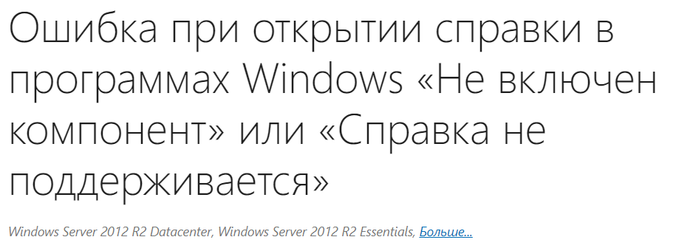 |  |  | Rostyslav Hordeiev |  |  |  | 2021-09-19
25 | Ability to add charachters with digit mode | When you write characters with alphabetic mode and then switch to digit, you have and ability to add value to the list | Windows 10 Pro | 1. Choose aplhabetic mode 2. Enter characters 3. Swith to digit mode 4. Add value to the list | 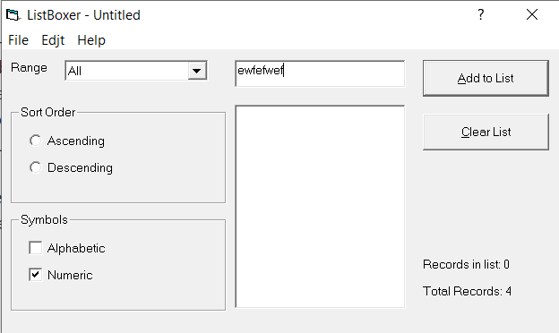 |  |  | Rostyslav Hordeiev |  |  |  | 2021-09-19
26 | Ability to add numbers with alphabetical mode | When you write numbers with digit mode and then switch to alphabetic, you have and ability to add value to the list | Windows 10 Pro | 1. Choose digit mode 2. Enter characters 3. Swith to aplhabetic mode 4. Add value to the list | 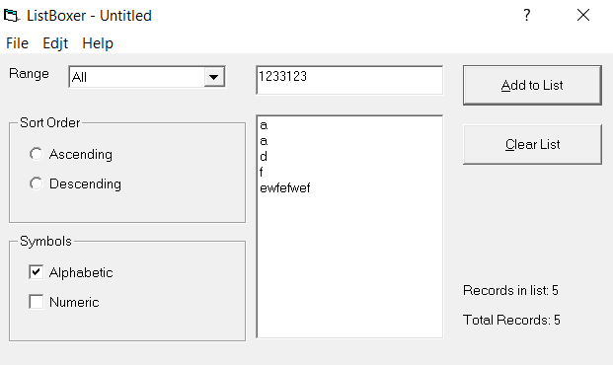 |  |  | Rostyslav Hordeiev |  |  |  | 2021-09-19
27 | Incorrect value in alphabetical mode | When you add a string with both characters and numbers with mixed mode, you can observe this string in alphabetical mode | Windows 10 Pro | 1. Choose mixed mode 2. Write a string with both numbers and characters 3. Add to the list 4. Switch to alphabetical mode 5. Observe an incorrect result |  |  |  | Rostyslav Hordeiev |  |  |  | 2021-09-19
28 | Ability to enter value more than 9999 | In mixed mode you have an ability to enter number with value more than 9999 | Windows 10 Pro | 1. Choose mixed mode 2. Write a number with value more than 9999 | 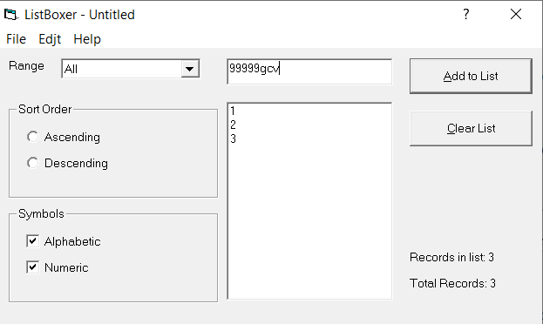 |  |  | Rostyslav Hordeiev |  |  |  | 2021-09-19
29 | Allows to enter more than one 0 | You can enter multiple 0s in text box | Windows 10 Pro | 1. Choose digit mode 2. Enter multuple 0s |  |  |  | Rostyslav Hordeiev |  |  |  | 2021-09-19
30 | Allows to enter 0 before a number | You can enter 0 before a number | Windows 10 Pro | 1. Choose digit mode 2. Write 0 then number |  |  |  | Rostyslav Hordeiev |  |  |  | 2021-09-19
31 | Saving with different file extensions problem | When trying to save list in file which extension differs from .lbx, the extension on saved file showed incorrectly | Windows 10 Pro | 1. Click "File" button 2. Click "Save as" button 3. Write the value and extension 4. Observe an incorrect file extension |  |  |  | Rostyslav Hordeiev |  |  |  | 2021-09-19
32 | Different icons in "About ListBoxer" window | Two icons of ListBoxer app in "About ListBoxer" window doesn't correspond each other | Windows 10 Pro | 1. Click "Help" 2. Click "About LisBoxer" |  |  |  | Rostyslav Hordeiev |  |  |  | 2021-09-19
33 | Ability to choose empty range | You can choose filter range | Windows 10 Pro | 1. Choose "Range" dropdown 2. Oberve an empty range | 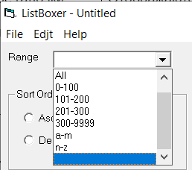 |  |  | Rostyslav Hordeiev |  |  |  | 2021-09-19
34 | Opens up file with extension that differs from .lbx and shows incorrect list | When you trying to open up a file that has different extension, the list can consist of unreadable elements | Windows 10 Pro | 1. Choose "File" button 2. Choose "Open" button 3. Choose file, for example, .docx file |  |  |  | Rostyslav Hordeiev |  |  |  | 2021-09-19
35 | "Sort Order" radio button isn't chosen when program starts | When you open up a program, initially there will be no radio button chosen | Windows 10 Pro | 1. Open up the program 2. Observe empty "Sort Order" radio buttons | 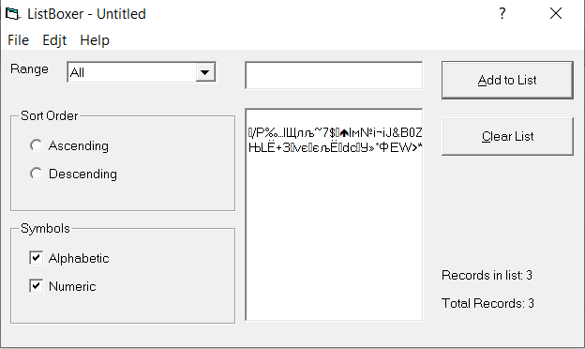 |  |  | Rostyslav Hordeiev |  |  |  | 2021-09-19
36 | No button to hide window | There's no button to hide windows | Windows 10 Pro | 1. Open up the program 2. Observe the inexsistanse of hide button | 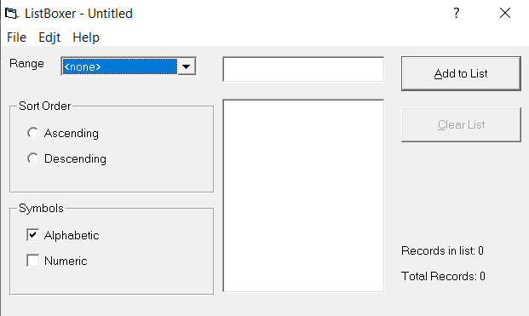 |  |  | Rostyslav Hordeiev |  |  |  | 2021-09-19
37 | Can't open .lbx file from anywhere else except ListBoxer | There's no ability to open an .lbx file with ListBoxer. You can only open it in program | Windows 10 Pro | 1. Right click on .lbx file 2. Choose "Open with" in context menu |  |  |  | Rostyslav Hordeiev |  |  |  | 2021-09-19
38 | Can't use shortcut for "Cut" (Ctrl-X) | No ability to use shortcut Ctrl-X for "Cut" command | Windows 10 Pro | 1. Select the text in text box 2. Press Ctrl-X |  |  |  | Rostyslav Hordeiev |  |  |  | 2021-09-19
39 | Can't use shortcut for "Copy" (Ctrl-C) | No ability to use shortcut Ctrl-C for "Copy" command | Windows 10 Pro | 1. Select the text in text box 2. Press Ctrl-C |  |  |  | Rostyslav Hordeiev |  |  |  | 2021-09-19
40 | Can't use shortcut for "Paste" (Ctrl-V) | No ability to use shortcut Ctrl-V for "Paste" command | Windows 10 Pro | 1. Select the text in text box 2. Press Ctrl-V |  |  |  | Rostyslav Hordeiev |  |  |  | 2021-09-19
41 | Ability to install program more than one time | After you installed the program, you can install it for the second time | Windows 10 Pro | 1. Install the program 2. Install the program for the second time |  |  |  | Rostyslav Hordeiev |  |  |  | 2021-09-19

